educational attainment_GDP
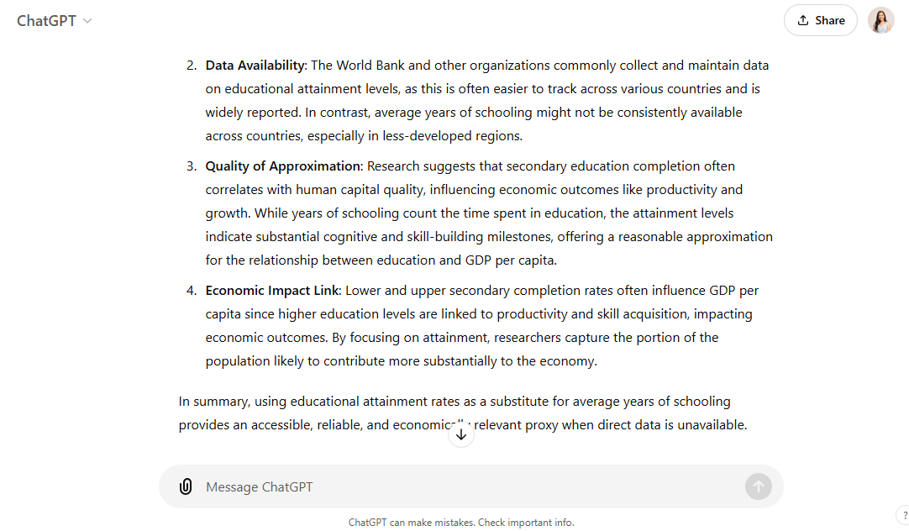
SE.SEC.CUAT.LOZ.ZS Residual Plot
SE.SEC.CUAT.UP.ZS Residual Plot
Normal Probability Plot
Year | SE.SEC.CUAT.LOZ.ZS | SE.SEC.CUAT.UP.ZS | NY.GDP.PCAP.CD
2000 | 36.965000633 | 27.57400017 | 4572.8443743
2001 | 37.767499445 | 27.619999698 | 4666.287752
2002 | 39.337500095 | 28.772000504 | 5033.2302953
2003 | 40.422499655 | 29.642000198 | 5630.2250115
2004 | 41.980000975 | 30.76400032 | 6300.05407
2005 | 42.42250061 | 31.067999648 | 6955.1259873
2006 | 43.872500423 | 32.373999784 | 7423.562709
2007 | 45.325000762 | 33.262000658 | 8468.5222523
2008 | 45.462499618 | 33.38199997 | 9287.8574418
2009 | 46.615000725 | 34.732000354 | 8802.0062375
2010 | 47.482499123 | 35.424000548 | 9023.6805955
2011 | 48.889999387 | 35.921999738 | 9552.1208785
2012 | 50.374999045 | 38.012318422 | 9139.9892247
2013 | 51.280000687 | 38.61000061 | 9519.2102385
2014 | 52.519999505 | 39.77200012 | 9722.6800897
2015 | 53.632500648 | 40.677999498 | 9007.6690585
SE.SEC.CUAT.UP.ZS Line Fit Plot
SE.SEC.CUAT.LOZ.ZS Line Fit Plot
2016 | 54.164999962 | 41.180000306 | 9304.3039
2017 | 54.644999508 | 41.238000106 | 9916.5714122
2018 | 55.567500112 | 42.172000122 | 10641.920047
2019 | 57.51499939 | 44.212000276 | 10685.236536
2020 | 58.332499502 | 45.813461302 | 9854.5276875

SE.SEC.CUAT.LOZ.ZS |  | SE.SEC.CUAT.UP.ZS |  | NY.GDP.PCAP.CD
Mean | 47.836904753 | Mean | 35.820180112 | Mean | 8262.2678952
Standard Error | 1.4347825756 | Standard Error | 1.2125064752 | Standard Error | 427.39198486
Median | 47.482499123 | Median | 35.424000548 | Median | 9023.6805955
Mode | #N/A | Mode | #N/A | Mode | #N/A
Standard Deviation | 6.5749997584 | Standard Deviation | 5.5564027031 | Standard Deviation | 1958.556122
Sample Variance | 43.230621823 | Sample Variance | 30.873610999 | Sample Variance | 3835942.0831
Kurtosis | -1.1641883136 | Kurtosis | -1.1288098821 | Kurtosis | -0.65674356295
Skewness | -0.064413470973 | Skewness | 0.11553662091 | Skewness | -0.82076577346
Range | 21.36749887 | Range | 18.239461132 | Range | 6112.3921612
Minimum | 36.965000633 | Minimum | 27.57400017 | Minimum | 4572.8443743
Maximum | 58.332499502 | Maximum | 45.813461302 | Maximum | 10685.236536
Sum | 1004.5749998 | Sum | 752.22378235 | Sum | 173507.6258
Significant Influence of Educational Attainment (at least lower and upper secondary) on GDP per capita (in USD)
Count | 21 | Count | 21 | Count | 21
 | 1 |  | 3 |  | 5

SUMMARY OUTPUT

Regression Statistics
Multiple R | 0.96127782493
R Square | 0.9240550567
Adjusted R Square | 0.91561672967
Standard Error | 568.93702445
Observations | 21

ANOVA
 | df | SS | MS | F | Significance F
Regression | 2 | 70892433.583 | 35446216.791 | 109.50690262 | 8.4040719112E-11
Residual | 18 | 5826408.0802 | 323689.33779
Total | 20 | 76718841.663

 | Coefficients | Standard Error | t Stat | P-value | Lower 95% | Upper 95%
Intercept | -10710.791222 | 1648.5481832 | -6.4971053505 | 4.1383274068E-06 | -14174.262435 | -7247.3200094
SE.SEC.CUAT.LOZ.ZS | 1376.0065281 | 255.69669572 | 5.3814012897 | 4.0975203653E-05 | 838.80770446 | 1913.2053518
SE.SEC.CUAT.UP.ZS | -1307.9452409 | 302.57089027 | -4.3227728873 | 0.00040987730242 | -1943.6230931 | -672.26738884

RESIDUAL OUTPUT |  |  |  |  | PROBABILITY OUTPUT
Significant Influence of Educational Attainment (at least lower secondary) on GDP per capita (in USD)
Observation | Predicted NY.GDP.PCAP.CD | Residuals | Standard Residuals |  | Percentile | NY.GDP.PCAP.CD
1 | 4088.0086637 | 484.83571053 | 0.8982746598 |  | 2.380952381 | 4572.8443743
2 | 5132.0874048 | -465.79965279 | -0.86300578847 |  | 7.1428571429 | 4666.287752
3 | 5785.6645766 | -752.4342813 | -1.3940653161 |  | 11.904761905 | 5033.2302953
4 | 6140.7190947 | -510.49408321 | -0.94581296091 |  | 16.666666667 | 5630.2250115
5 | 6816.3363587 | -516.28228866 | -0.95653700241 |  | 21.428571429 | 6300.05407
6 | 7027.6042708 | -72.478283551 | -0.13428343681 |  | 26.19047619 | 6955.1259873
7 | 7314.636816 | 108.925893 | 0.20181139168 |  | 30.952380952 | 7423.562709
8 | 8151.8302488 | 316.69200343 | 0.58674803746 |  | 35.714285714 | 8468.5222523
9 | 8184.0770419 | 1103.7803999 | 2.0450184293 |  | 40.476190476 | 8802.0062375
10 | 8004.1995119 | 797.80672559 | 1.4781286722 |  | 45.238095238 | 9007.6690585
11 | 8292.7846095 | 730.89598599 | 1.3541604484 |  | 50 | 9023.6805955
12 | 9578.1584919 | -26.037613415 | -0.048240935691 |  | 54.761904762 | 9139.9892247
13 | 8887.5053401 | 252.48388467 | 0.46778706825 |  | 59.523809524 | 9287.8574418
14 | 9351.0579347 | 168.15230379 | 0.31154254977 |  | 64.285714286 | 9304.3039
15 | 9537.4726734 | 185.20741639 | 0.34314124422 |  | 69.047619048 | 9519.2102385
16 | 9883.2839332 | -875.61487471 | -1.6222869657 |  | 73.80952381 | 9552.1208785
17 | 9959.4168991 | -655.11299909 | -1.2137542545 |  | 78.571428571 | 9722.6800897
18 | 10544.038844 | -627.46743186 | -1.162534198 |  | 83.333333333 | 9854.5276875
19 | 10591.784823 | 50.135224692 | 0.092887551239 |  | 88.095238095 | 9916.5714122
20 | 10603.348049 | 81.888486317 | 0.15171809871 |  | 92.857142857 | 10641.920047
21 | 9633.6102132 | 220.9174743 | 0.40930270763 |  | 97.619047619 | 10685.236536

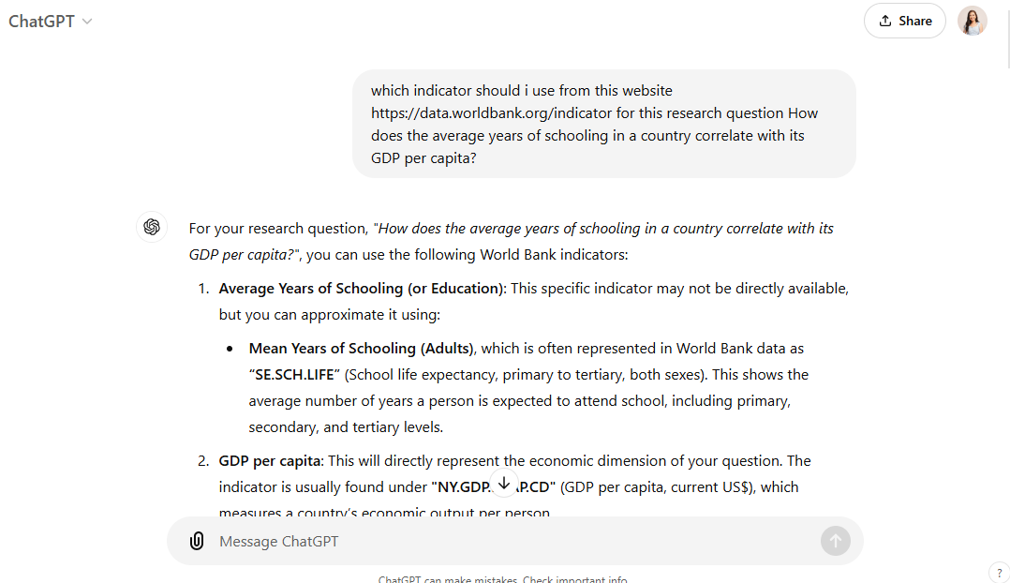
 |  |  |  |  | Comment:
 |  |  |  |  | Since there were no average years of schooling indicator in World Bank, I asked about other indicators that could be a substitute.

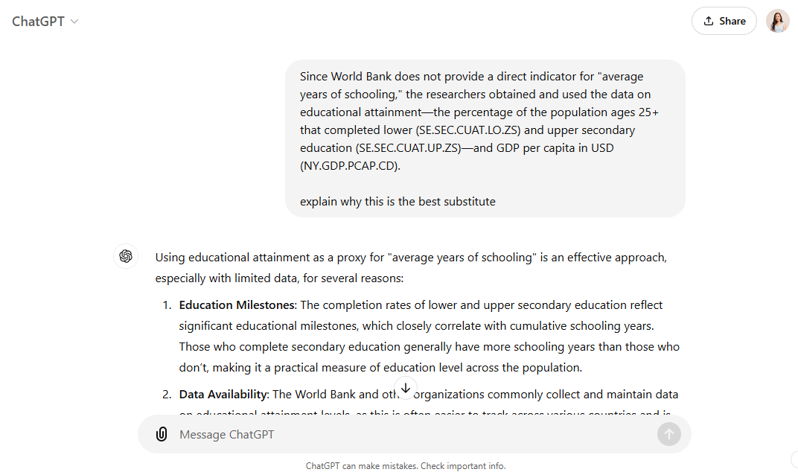
 |  |  |  |  | Comment:
 |  |  |  |  | I had to ask Chatgpt to further validate my usage of that specific indicator.

